TNSP_USBHUB3
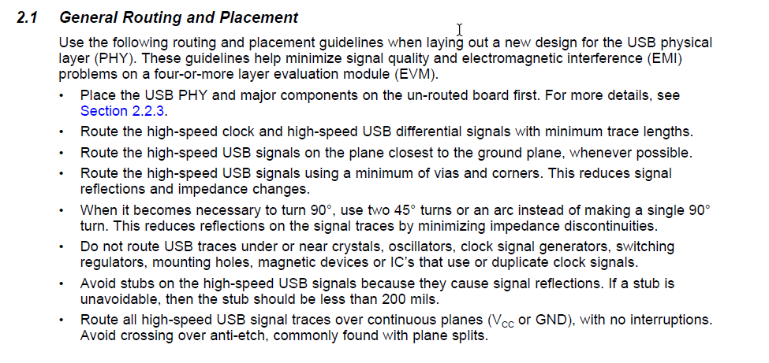
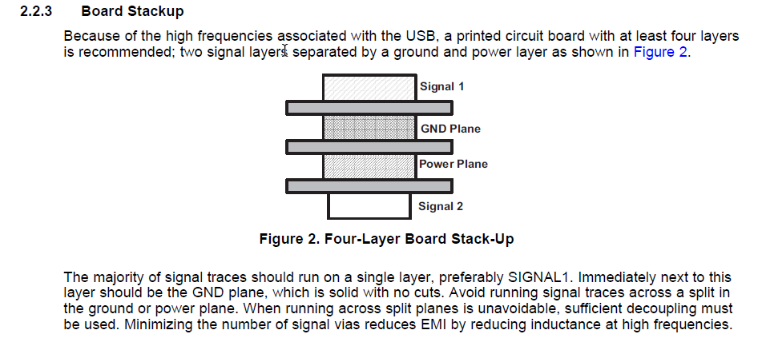
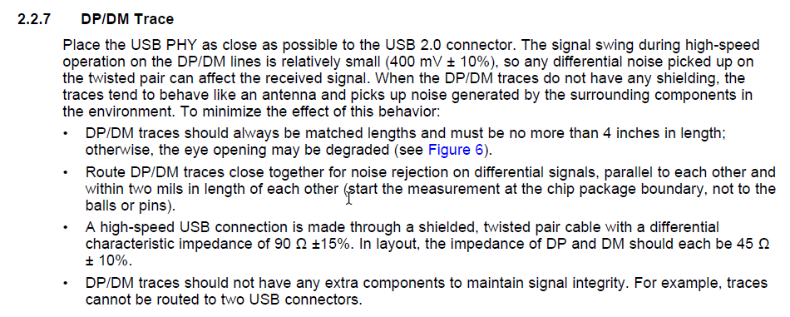
PCB Checklist
Project Name:
Date:
Item | Checklist | Yes | No | Detail of rules | Owner
1 | Use "UPD720114_User Manual" spec to make checklist for U1 (NEC_TQFP_48)
1
2
3
4
5
6
7
8
9
10

2 | Use "tps74801" spec to make checklist for U4 (TI_SON_10)
1
2
3
4
5
6
7
8
9
10

3 | USB 2.0 (480Mbps)
1 | Nets: DM/DP
2 | AC coupling capacitors should be placed close transmitter Choke for EMI and ESD Protections should be placed close to connector
3 | Must be 90 ohm differential pair impedance
4 | MUST be referenced to solid GND plane
5 | Should limit Max_VIA_COUNT
6 | Must Insert multiple GND vias where signal traces jump layers
7 | Should reduce via stub length
8 | Length matching between N/P must be less than 6 mil (or 1 ps)
9 | Min trace spacing to others must be 20 mils in open area Min shape to trace spacing should be 15mils

